Fabrication Capability
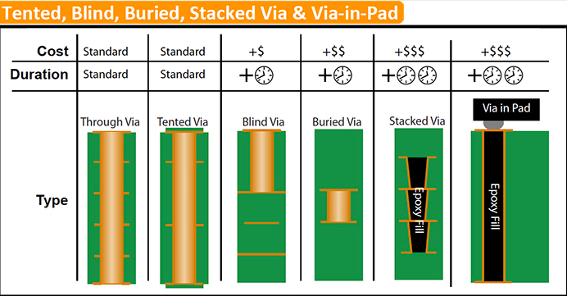
Please note 1 | This excel including two sheets; Please make sure the Gerber followed the "fabrication capability" sheet before filling this "Requirements" sheet.
Please note 2 | "Requirements" sheet is used for quotation only, PCB factory side will do futher check and provide the DFM before proceed fabrication.(If have)
Fast Prototype Sample(IPC Class I) PCB Fabrication
Items |  | Technical Parameter
Layer number |  | 1-6 Layer
Type of dielectric material |  | FR-4
Board thickness |  | 0.4mm - 2.0mm
Outer layer copper thickness |  | 1-2 oz
Inter layer copper thickness |  | 0.5 oz
Min trace width/space |  | 0.1524mm (6mil)
Min via diameter |  | 0.3mm
Min via ring |  | 0.153mm（6mil）
 | Board thickness | ± 10%
Tolerance | Line width | Line Width ±20％
 | Hole Diameter | PTH±0.05mm (2mil) | NPTH±0.075mm (3mil)
Surface treating technic of pad |  | Tin / Gold immersion / HAL(Osp)

IPC Class II & III PCB Fabrication
Items |  | Technical Parameter
Layer number |  | 1-68 Layer
Type of dielectric material |  | FR4(Tg135, 150, 160, 170, 180, 190); Alu-based; Cu-based; Rogers; Ceramic; Isola; Tacolnic, Teflon, Panasonic, EM, Flex; Rigid-Flex etc;
Mini board thickness |  | 0.1mm(1 layer FPC) / 0.2mm (2 layers) / 0.4mm (4 layers) / 0.9mm(8 layers) / 1.2mm (10 layers) / 1.3mm (12 layers) / 1.5mm (14 layers) / 1.7mm (16 layers) / 1.8mm / 2.0 mm (18 layers) / 2.2mm (20 layers) / 2.4mm ( 22 layers) / 2.6mm (24 layers)
Max copper thickness (Outer layer) |  | 19 OZ
Max copper thickness (Inter layer) |  | 12 OZ
Min inter layer trace width/space(mil) |  | 2.5mil
Min outer layer trace width/space(mil) |  | 2.5mil
Min drilling diameter |  | 0.05mm
 | Hole position | ±0.05mm (2mil)
Tolerance | Line width | ± 0.1mm (4mil)
 | Diameter | PTH: ±0.05mm (2mil) | NPTH: ±0.025mm (1mil)
Surface treating technic of pad |  | Lead Tin / Lead-free / Gold immersion / Soft bonding gold / HAL(Osp)

Surface Treatment | Nickel Thickness | Au Thickness | Palladium Thickness | Total Thickness

Gold Immersion(ENIG) | 100-120u'' | 2u'' |  | 2.55-3.05um
Gold Plating | 120u'' | 2-50u'' |  | 3.05-4.25um
Soft Bonding Gold | 120u'' | 3-20u'' |  | 3.075-3.5um
ENEPIG | 120-320u'' | 2-4u'' | 2-6u'' | 3.1-8.25um
1um=40u''

Stencil Size |  |  | Stencil Thickness
S/N | Stencil Size | PCB Size
#Type A | 37*47cm | 19*29cm | if <=0402 components, stencil use 0.1mm; if >=0603 components stencil use 0.15mm
#Type B | 42*52cm | 24*34cm
#Type C | 45*55cm | 27*37cm
#Type D | 55*65cm | 37*47cm
#Type E | 58.4*58.4cm | 40*40cm

Requirements
MPN TECH PTE. LTD.
PCB, Assembly and Components Technical Requirements

Supplier： |  | MPN Tech Pte. Ltd. |  |  |  |  |  |  |  |  |  |  |  | MPN Ref No.:
Buyer: |  | FourierIndustries LLP |  |  |  |  |  |  |  |  |  |  |  | Your Ref No.:
Name: |  | Mr. Pan Ziyue |  |  |  |  |  |  |  |  |  |  |  | Date: | 27/12/2021
Please note 1 |  | This excel including two sheets; Please make sure the Gerber followed the "fabrication capability" sheet before filling this "Requirements" sheet.
Please note 2 |  | "Requirements" sheet is used for quotation only, our PCB factory side will do futher check and provide the DFM before proceed fabrication.(If have).

PCB file name |  | PCB Requirements |  |  |  |  |  |  |  |  |  |  |  |  |  |  |  |  |  |  |  |  |  | Assembly Requirements(Singapore Local Machine Assembly)
 |  | Size (mm) Width*Height | Board Material | Tg Standard | Board Thickness (mm) | Layers | Copper Thickness (OZ) |  | Surface Treatment (Finishing) | Minimum Via size (mm) | Minimum trace width/space (mil) | Blind / bury holes | Stack up/Layer Sequence (>=4 layer PCB) | Other Techniques requirement 1 | Other Techniques requirement 2 (If needed) | Other Techniques requirement 3 (If needed) | Solder Mask | Legend Color | Solder mask tenting | Fabrication IPC standard | Need PCB fabrication Report? (Sample PCB will not provide) | PCB Qty (pcs) | Standard or Expedite Process | PCB Assembly Qty (pcs) | Include 0201/BGA/LGA components? | Stencil for PCB Assembly | Assembly Standard | Standard or Expedite Process | Need MPN to purchase components ?
 |  |  |  |  |  |  | Outer layers | Inter layers (only for multi-layer PCB )
1 | SSTuino_II_2021-12-26 | 68.6 * 25.4 | FR-4 | Tg 130-140 | 1.6 | Double | 1oz(35um) | N.A. | Lead-Free HASL | ≥0.3 | ≥6/6mil | No |  | N.A. | N.A. | N.A. | Black | White | Yes | IPC Class 2 |  | 12 | Standard | 12 | No | Yes need standard stencil | RoHS(Lead-Free) | Standard | Yes
2 | SSTuino_II_2021-12-26 | 68.6 * 25.4 | FR-4 | Tg 130-140 | 1.6 | Double | 1oz(35um) | N.A. | Lead-Free HASL | ≥0.3 | ≥6/6mil | No |  | N.A. | N.A. | N.A. | Black | White | Yes | IPC Class 2 |  | 238 | Standard | 238 | No | Yes need standard stencil | RoHS(Lead-Free) | Standard | Yes
3
4
5
6
7 |  | If cell list can't match requirements, please clarify here.

 | Note: | Please specify the proper requirements from the list above

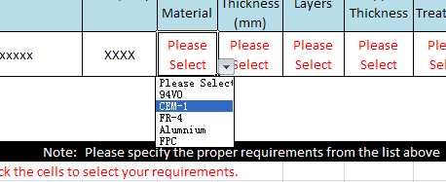
 | Please click the cells to select your requirements.
 |  |  |  |  |  |  |  |  |  |  |  | * |  | Please double click left "icon" to view PCB solder mask tenting sample pic:

 |  |  |  |  |  |  |  |  |  |  |  | ** |  | PCB fabrication including below requirments, need to select IPC Class II or III standard:
 |  |  |  |  |  |  |  |  | 11 |  |  |  |  | - 6 layer PCB and above;
 |  |  |  |  |  |  |  |  |  |  |  |  |  | - PCB with minimum Via size < 0.3mm;
 |  |  |  |  |  |  |  |  |  |  |  |  |  | - PCB with minimum trace width/ space < 6mil;
 |  |  |  |  |  |  |  |  |  |  |  |  |  | - PCB copper thickness more than 2OZ;
#1 | PCB and Assembly expedite arrangement will have extra cost. |  |  |  |  |  |  |  |  |  |  |  |  | - Board thickness lesser than 0.4mm or thicker than 2.0mm;
#2 | Components no expedite services. |  |  |  |  |  |  |  |  |  |  |  |  | - PCB surface treatment as "soft bonding gold";
#3 | Batch PCB recommend IPC Class II or IPC Class III standard fabrication. |  |  |  |  |  |  |  |  |  |  |  |  | - PCB including blind or/and bury holes;
#4 | 1, 2 and 4 layer PCB can do panel fabrication but have limitation. |  |  |  |  |  |  |  |  |  |  |  |  | - Request impedance control;
#4.1 | Panel PCB must have same PCB specs.(material, thickness, surface, IPC standard etc). |  |  |  |  |  |  |  |  |  |  |  |  | - PCB size is more than 50*50 cm.
#5 | IPC Class II and III standard PCB, fabrication lead time will be 5-6 days more than fast prototype fabrication period.
#6 | If PCB assembly including surface mount components(SMD), need to customize stencil;
#7 | If need components order service, MPN TECH can't control the components lead time if any delay from shipping and supplier.

